Sheet1
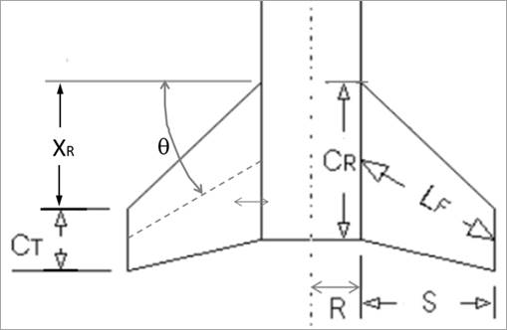
Key | Calculation of Max Drag |  |  | Normal Forces |  |  | Center of Pressure Locations |  |  | Lateral Acting Inertia Loads |  |  |  | Shear Loading |  |  | Bending Loading |  |  | Maximum Compressive Force |  |  | Determining If Will Fail By Buckling
Blue font is for defined/constraining values | Air Density | 0.002377 | slug/ft^3 |  |  |  | measured from tip of nosecone |  |  | Now using the nosecone Cp as origin |  |  | Calculations done using relative coordinates (nosecone Cp as origin). True location listed for reference. |  |  |  |  |  |  | Outer Diameter | 3.12 | in | D/t ratio | 52
Green font is for calculated values | Burn Out V | 683 | ft/s | Max Dynamic Pressure (q) | 554.4221765 |  | Fins: |  |  | Cg (from tip of nosecone) | 46.978 | in | True Location (using tip of nosecone as origin) | Relative Location (Cp_N as origin (x=0 here)) | Shear Force (lbf) | True Location (using tip of nosecone as origin) | Relative Location (Cp_N as origin) | Bending Moment (ldf*in) |  | Inner Diameter | 3 | in | If D/t > 70, use the graph below
 | Cd | 0.575 |  | Reference Area | 0.0490859375 |  | Dist from tip of nosecone to start of fins (x_b) | 85.09 | in | Cp_N to Cg (x1) | 39.478 | in | 7.5 | 0 | 21.526536853 | 7.5 | 0 | 0 |  | Ac | 0.5767964112 | in^2 | L is the unsupported length of tube
 | Diameter (d) | 3 | in | AOA | 0.175 | rad | Cp location (x_F) | 86.923333333 | in | Cg to Cp_F (x2) | 39.945333333 | in | 8.5 | 1 | 20.884898229 | 8.5 | 1 | 21.205717541 |  | Compressive Stress Due to Drag (F_ca) | 27.129574268 | psi | Couplers can act as supports
 | Frontal Area | 0.0490859375 | ft^2 |  |  |  |  |  |  |  |  |  | 9.5 | 2 | 20.243259605 | 9.5 | 2 | 41.769796457 |  |  |  |  | For ultra-conservative, use entire length (not realistic)
 | Force (Fd) | 15.648241075 | lbf | Fins: |  |  | Nosecone: (Von Karman shape) |  | Note that Von Karman and Tangent Ogive shapes are very similar |  |  |  | 10.5 | 3 | 19.601620981 | 10.5 | 3 | 61.69223675 |  | Section Modulus | 0.43293007556 |  | If below line, won't buckle
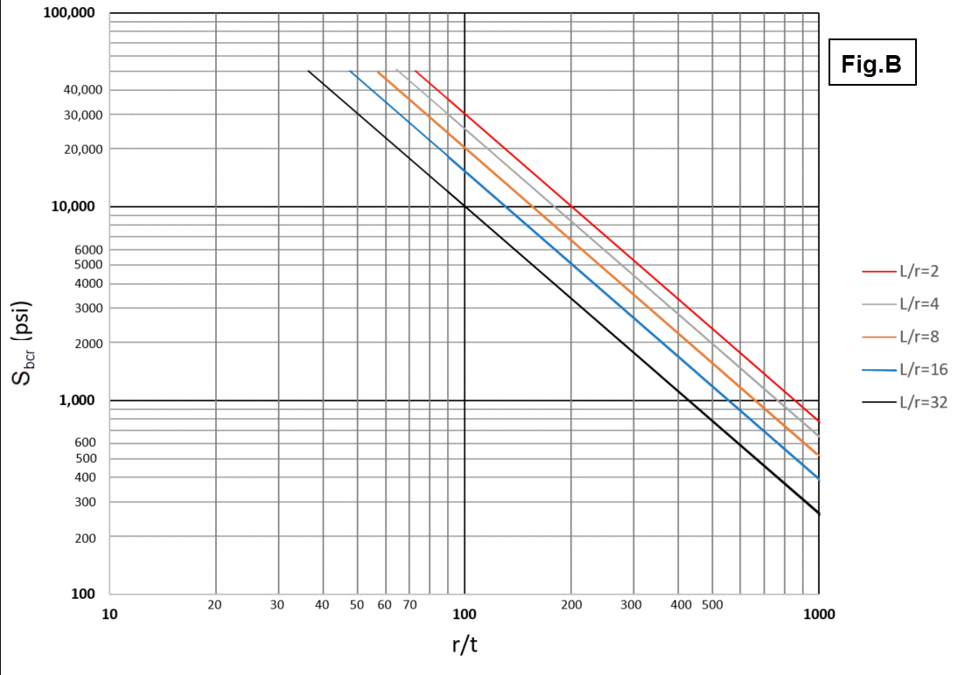
 |  |  |  | Number of Fins (N) | 3 |  | Nosecone Length (L) | 15 | in | W_2 | 0.24801339665 | lbf/in | 11.5 | 4 | 18.959982357 | 11.5 | 4 | 80.973038419 |  | Maximum Bending Stress | 833.93404323 | psi
 |  |  |  | Diameter (d) | 3 | in | Cp location (x_N) | 7.5 | in | W_1 | 0.64163862395 | lbf/in | 12.5 | 5 | 18.318343733 | 12.5 | 5 | 99.612201464
 |  |  |  | R | 1.5 | in |  |  |  |  |  |  | 13.5 | 6 | 17.676705109 | 13.5 | 6 | 117.60972589 |  | Max Acceleration (a_max) | 601 | ft/s^2
 |  |  |  | S | 1.75 | in | Length btwn Nosecone Cp and Fins Cp | 79.423333333 | in |  |  |  | 14.5 | 7 | 17.035066485 | 14.5 | 7 | 134.96561168 |  | Rocket Wet Mass (m) | 18.1875 | lbs
 |  |  |  | X_R | 1.5 | in |  |  |  |  |  |  | 15.5 | 8 | 16.393427861 | 15.5 | 8 | 151.67985886 |  | Compressive Stress Due to Mass Inertia | 19966.013617 | psi
 |  |  |  | C_T | 3 | in |  |  |  |  |  |  | 16.5 | 9 | 15.751789237 | 16.5 | 9 | 167.7524674
 |  |  |  | C_R | 6 | in |  |  |  |  |  |  | 17.5 | 10 | 15.110150613 | 17.5 | 10 | 183.18343733 |  | Max Combined Compressive Stress | 20827.077234 | psi
 |  |  |  | Theta | 0 | deg |  |  |  |  |  |  | 18.5 | 11 | 14.468511989 | 18.5 | 11 | 197.97276863
 |  |  |  | L_F | 1.75 | in |  |  |  |  |  |  | 19.5 | 12 | 13.826873365 | 19.5 | 12 | 212.12046131 |  | Yield Stress | 35000 | psi
 |  |  |  | C_N_alpha | 2.8789558155 | rad^-1 |  |  |  |  |  |  | 20.5 | 13 | 13.185234741 | 20.5 | 13 | 225.62651536 |  | Safety Factor | 1.6805046434
 |  |  |  |  |  |  |  |  |  |  |  |  | 21.5 | 14 | 12.543596117 | 21.5 | 14 | 238.49093079
 |  |  |  | F_N for fins | 13.711050544 | lbf |  |  |  |  |  |  | 22.5 | 15 | 11.901957493 | 22.5 | 15 | 250.7137076
 |  |  |  |  |  |  |  |  |  |  |  |  | 23.5 | 16 | 11.260318869 | 23.5 | 16 | 262.29484578
 |  |  |  |  |  |  |  |  |  |  |  |  | 24.5 | 17 | 10.618680246 | 24.5 | 17 | 273.23434534
 |  |  |  | Nosecone: |  |  |  |  |  |  |  |  | 25.5 | 18 | 9.9770416216 | 25.5 | 18 | 283.53220627
 |  |  |  | Find the value below in OpenRocket. Go to tools -> component analysis -> stablilty and it is shown in far right column |  |  |  |  |  |  |  |  | 26.5 | 19 | 9.3354029976 | 26.5 | 19 | 293.18842858
 |  |  |  | C_N_alpha | 4.52 | rad^-1 |  |  |  |  |  |  | 27.5 | 20 | 8.6937643737 | 27.5 | 20 | 302.20301226
 |  |  |  | F_N for nosecone | 21.526536853 | lbf |  |  |  |  |  |  | 28.5 | 21 | 8.0521257497 | 28.5 | 21 | 310.57595733
 |  |  |  |  |  |  |  |  |  |  |  |  | 29.5 | 22 | 7.4104871258 | 29.5 | 22 | 318.30726376
 |  |  |  |  |  |  |  |  |  |  |  |  | 30.5 | 23 | 6.7688485018 | 30.5 | 23 | 325.39693158
 |  |  |  |  |  |  |  |  |  |  |  |  | 31.5 | 24 | 6.1272098779 | 31.5 | 24 | 331.84496077
 |  |  |  |  |  |  |  |  |  |  |  |  | 32.5 | 25 | 5.4855712539 | 32.5 | 25 | 337.65135133
 |  |  |  |  |  |  |  |  |  |  |  |  | 33.5 | 26 | 4.84393263 | 33.5 | 26 | 342.81610327
 |  |  |  |  |  |  |  |  |  |  |  |  | 34.5 | 27 | 4.202294006 | 34.5 | 27 | 347.33921659
 |  |  |  |  |  |  |  |  |  |  |  |  | 35.5 | 28 | 3.5606553821 | 35.5 | 28 | 351.22069129
 |  |  |  |  |  |  |  |  |  |  |  |  | 36.5 | 29 | 2.9190167581 | 36.5 | 29 | 354.46052736
 |  |  |  |  |  |  |  |  |  |  |  |  | 37.5 | 30 | 2.2773781342 | 37.5 | 30 | 357.0587248
 |  |  |  |  |  |  |  |  |  |  |  |  | 38.5 | 31 | 1.6357395102 | 38.5 | 31 | 359.01528363 |  |  |  |  | Figure from Richard Nakka Rocket Body Considerations
 |  |  |  |  |  |  |  |  |  |  |  |  | 39.5 | 32 | 0.99410088629 | 39.5 | 32 | 360.33020382 |  |  |  |  | ONLY FOR ALUMINUM TUBES
 |  |  |  |  |  |  |  |  |  |  |  |  | 40.5 | 33 | 0.35246226234 | 40.5 | 33 | 361.0034854
 |  |  |  |  |  |  |  |  |  |  |  |  | 41.5 | 34 | -0.28917636161 | 41.5 | 34 | 361.03512835
 |  |  |  |  |  |  |  |  |  |  |  |  | 42.5 | 35 | -0.93081498556 | 42.5 | 35 | 360.42513267
 |  |  |  |  |  |  |  |  |  |  |  |  | 43.5 | 36 | -1.5724536095 | 43.5 | 36 | 359.17349838
 |  |  |  |  |  |  |  |  |  |  |  |  | 44.5 | 37 | -2.2140922335 | 44.5 | 37 | 357.28022546
 |  |  |  |  |  |  |  |  |  |  |  |  | 45.5 | 38 | -2.8557308574 | 45.5 | 38 | 354.74531391
 |  |  |  |  |  |  |  |  |  |  |  |  | 46.5 | 39 | -3.4973694814 | 46.5 | 39 | 351.56876374
 |  |  |  |  |  |  |  |  |  |  |  |  | 46.978 | 39.478 | -3.8040727436 | 46.978 | 39.478 | 349.82371905 | Manually change this green cell to be the location of Cp_N to Cg (x1).
 |  |  |  |  |  |  |  |  |  |  |  |  | 47.5 | 40 | -3.9335357367 | 47.5 | 40 | 347.80420324 | You will also need to change the parts of the formula below the green cells that reference green cell values.
 |  |  |  |  |  |  |  |  |  |  |  |  | 48.5 | 41 | -4.1815491333 | 48.5 | 41 | 343.7466608
 |  |  |  |  |  |  |  |  |  |  |  |  | 49.5 | 42 | -4.42956253 | 49.5 | 42 | 339.44110497
 |  |  |  |  |  |  |  |  |  |  |  |  | 50.5 | 43 | -4.6775759266 | 50.5 | 43 | 334.88753574
 |  |  |  |  |  |  |  |  |  |  |  |  | 51.5 | 44 | -4.9255893233 | 51.5 | 44 | 330.08595312
 |  |  |  |  |  |  |  |  |  |  |  |  | 52.5 | 45 | -5.1736027199 | 52.5 | 45 | 325.03635709
 |  |  |  |  |  |  |  |  |  |  |  |  | 53.5 | 46 | -5.4216161166 | 53.5 | 46 | 319.73874768
 |  |  |  |  |  |  |  |  |  |  |  |  | 54.5 | 47 | -5.6696295132 | 54.5 | 47 | 314.19312486
 |  |  |  |  |  |  |  |  |  |  |  |  | 55.5 | 48 | -5.9176429099 | 55.5 | 48 | 308.39948865
 |  |  |  |  |  |  |  |  |  |  |  |  | 56.5 | 49 | -6.1656563065 | 56.5 | 49 | 302.35783904
 |  |  |  |  |  |  |  |  |  |  |  |  | 57.5 | 50 | -6.4136697032 | 57.5 | 50 | 296.06817604
 |  |  |  |  |  |  |  |  |  |  |  |  | 58.5 | 51 | -6.6616830998 | 58.5 | 51 | 289.53049964
 |  |  |  |  |  |  |  |  |  |  |  |  | 59.5 | 52 | -6.9096964965 | 59.5 | 52 | 282.74480984
 |  |  |  |  |  |  |  |  |  |  |  |  | 60.5 | 53 | -7.1577098931 | 60.5 | 53 | 275.71110664
 |  |  |  |  |  |  |  |  |  |  |  |  | 61.5 | 54 | -7.4057232898 | 61.5 | 54 | 268.42939005
 |  |  |  |  |  |  |  |  |  |  |  |  | 62.5 | 55 | -7.6537366864 | 62.5 | 55 | 260.89966006
 |  |  |  |  |  |  |  |  |  |  |  |  | 63.5 | 56 | -7.9017500831 | 63.5 | 56 | 253.12191668
 |  |  |  |  |  |  |  |  |  |  |  |  | 64.5 | 57 | -8.1497634798 | 64.5 | 57 | 245.0961599
 |  |  |  |  |  |  |  |  |  |  |  |  | 65.5 | 58 | -8.3977768764 | 65.5 | 58 | 236.82238972
 |  |  |  |  |  |  |  |  |  |  |  |  | 66.5 | 59 | -8.6457902731 | 66.5 | 59 | 228.30060614
 |  |  |  |  |  |  |  |  |  |  |  |  | 67.5 | 60 | -8.8938036697 | 67.5 | 60 | 219.53080917
 |  |  |  |  |  |  |  |  |  |  |  |  | 68.5 | 61 | -9.1418170664 | 68.5 | 61 | 210.5129988
 |  |  |  |  |  |  |  |  |  |  |  |  | 69.5 | 62 | -9.389830463 | 69.5 | 62 | 201.24717504
 |  |  |  |  |  |  |  |  |  |  |  |  | 70.5 | 63 | -9.6378438597 | 70.5 | 63 | 191.73333788
 |  |  |  |  |  |  |  |  |  |  |  |  | 71.5 | 64 | -9.8858572563 | 71.5 | 64 | 181.97148732
 |  |  |  |  |  |  |  |  |  |  |  |  | 72.5 | 65 | -10.133870653 | 72.5 | 65 | 171.96162337
 |  |  |  |  |  |  |  |  |  |  |  |  | 73.5 | 66 | -10.38188405 | 73.5 | 66 | 161.70374601
 |  |  |  |  |  |  |  |  |  |  |  |  | 74.5 | 67 | -10.629897446 | 74.5 | 67 | 151.19785527
 |  |  |  |  |  |  |  |  |  |  |  |  | 75.5 | 68 | -10.877910843 | 75.5 | 68 | 140.44395112
 |  |  |  |  |  |  |  |  |  |  |  |  | 76.5 | 69 | -11.12592424 | 76.5 | 69 | 129.44203358
 |  |  |  |  |  |  |  |  |  |  |  |  | 77.5 | 70 | -11.373937636 | 77.5 | 70 | 118.19210264
 |  |  |  |  |  |  |  |  |  |  |  |  | 78.5 | 71 | -11.621951033 | 78.5 | 71 | 106.69415831
 |  |  |  |  |  |  |  |  |  |  |  |  | 79.5 | 72 | -11.86996443 | 79.5 | 72 | 94.948200577
 |  |  |  |  |  |  |  |  |  |  |  |  | 80.5 | 73 | -12.117977826 | 80.5 | 73 | 82.954229449
 |  |  |  |  |  |  |  |  |  |  |  |  | 81.5 | 74 | -12.365991223 | 81.5 | 74 | 70.712244924
 |  |  |  |  |  |  |  |  |  |  |  |  | 82.5 | 75 | -12.614004619 | 82.5 | 75 | 58.222247003
 |  |  |  |  |  |  |  |  |  |  |  |  | 83.5 | 76 | -12.862018016 | 83.5 | 76 | 45.484235685
 |  |  |  |  |  |  |  |  |  |  |  |  | 84.5 | 77 | -13.110031413 | 84.5 | 77 | 32.498210971
 |  |  |  |  |  |  |  |  |  |  |  |  | 85.5 | 78 | -13.358044809 | 85.5 | 78 | 19.26417286
 |  |  |  |  |  |  |  |  |  |  |  |  | 86.5 | 79 | -13.606058206 | 86.5 | 79 | 5.7821213521
 |  |  |  |  |  |  |  |  |  |  |  |  | 86.9233 | 79.4233 | -13.711042277 | 86.9233 | 79.4233 | 0.0004570348807 | The location here is the distance to the fins Cp

